FL Time Allocation Survey
 |  |  | FARMLANDS TIME ALLOCATION SURVEY 2020 |  |  |  |  |  |  |  |  | ANSWER SUMMARY:

PURPOSE- | To quantify, categorize and analyse the working time spent by Farmlands employees. |  |  |  |  |  |  |  |  |  |  | q.1 | q.2 | q.3 | q.4 | q.5a | q.5b | q.5c | q.6a | q.6b | q.7a | q.7b | q.8a | q.8b | q.9a1 | q.9a2 | q.9b1 | q.9b2 | q.10a | q.10b | q.10c | q.10d | q.10e | q.10f | q.11a | q.11b | q.11c | q.11d | q.11e | q.11f | q.12a1 | q.12a2 | q.12a3 | q.12a4 | q.12a5 | q.12a6 | q.12b1 | q.12b2 | q.12b3 | q.12b4 | q.12b5 | q.12b6 | q.13a1 | q.13a2 | q.13a3 | q.13b1 | q.13b2 | q.13b3 | q.13c1 | q.13c2 | q.13c3 | q.13d1 | q.13d2 | q.13d3 | q.14a1 | q.14a2 | q.14a3 | q.14a4 | q.14a5 | q.14a6 | q.14b1 | q.14b2 | q.14b3 | q.14b4 | q.14b5 | q.14b6 | q.14c1 | q.14c2 | q.14c3 | q.14c4 | q.14c5 | q.14d1 | q.14d2 | q.14d3 | q.14d4 | q.14d5 | q.151 | q152 | q153 | q154 | q155 | q156
 |  |  |  |  |  |  |  |  |  |  |  | Name | TA | North Island Field | 0 | Spring | Winter | 0 | 0 | 0 | 0 | 0 | 0 | 0 | 0 | 0 | 0 | 0 | 0 | 0 | 0 | 0 | 0 | 0 | 0 | 0 | 0 | 0 | 0 | 0 | 0 | 0 | 0 | 0 | 0 | (please specify) | 0 | 0 | 0 | 0 | 0 | (please specify) | 0 | 0 | 0 | 0 | 0 | 0 | 0 | 0 | 0 | 0 | 0 | 0 | 0 | 0 | 0 | 0 | 0 | please specify | 0 | 0 | 0 | 0 | 0 | please specify | 0 | 0 | 0 | 0 | 0 | 0 | 0 | 0 | 0 | 0 | 0 | 0 | 0 | 0 | 0 | 0
PRIVACY STATEMENT - This survey is being conducted by The Next Level, an independent consultancy. Your individual answers will be deidentified and combined
with the pool of responses before analysis and presentation to Farmlands Management.

INSTRUCTIONS - Please carefully read and answer ALL questions and return your completed survey to jennyb@nextlevelenterprises.biz by COB Friday 21st February 2020
The survey should take approximately 45-60 minutes to complete. Thank you for your cooperation.

SURVEY FLOW CHART -

Non-field, non-office days per year
Total work hours
(excluding non-field, non-office time)

Office/ branch time
Field time

Solo office/ branch time
Non-solo office/ branch time
Driving time between visits
Face to face visit time
Sales support/ admin
Farm monitoring

Current customer visit time
Potential customer visit time
External company
reps. visit time

Proactive planning
Expert support
Operational support
Customer supply support

QUESTION 1 |  | Please provide your full name |  |  |  |  |  |  | Name
 |  | (for record keeping only, results will be anonymous)

QUESTION 2 |  | Please provide your role (select from dropdown menu) |  |  |  |  |  |  | TA

QUESTION 3 |  | Please provide your location base (select from dropdown menu) |  |  |  |  |  |  | North Island Field

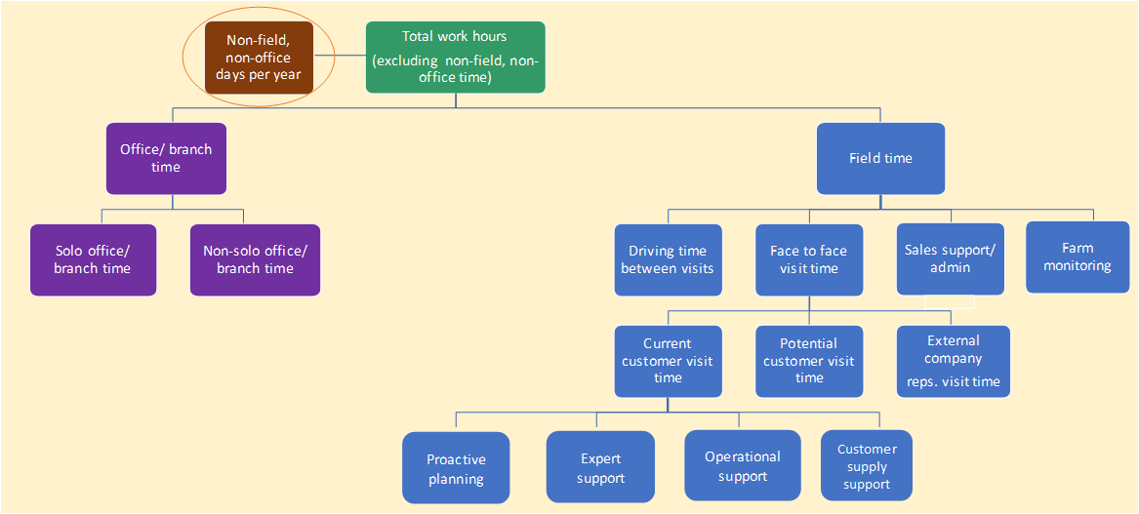
QUESTION 4 |  | In your typical working year, how many days are you 'locked away' in group sales meetings, training or internal conferences, so that you are out of the office but also away from your sales field? |  |  | Enter the total number of non-office/ non-field days per working year in the box: |  |  |  |  |  | days per year
 |  | (Notes to consider:* Include time spent in internal events, conferences, training sessions that prevent you from being in field or in your office/ branch* Do not include internal meetings between staff that take place as part of normal office time * Do not include any events or meetings that are customer-facing (where customer = shareholders/members/non members/trade accounts - anyone who buys from Farmlands)

QUESTION 5 |  | Please nominate a peak season and an off-peak season, as it relates to your work in the field. |  |  |  | PEAK: |  |  |  | Spring
 |  |  |  |  |  | OFF PEAK: |  |  |  | Winter
 |  |  |  |  |  | Additional clarifying comments:

QUESTION 6(a) |  | How many hours would you work in an average 'normal' week during PEAK times? : |  |  |  |  |  |  |  |  | hours/week
 |  | Notes to consider: * Your standard working week is 40 hours per week * Do not include time spent on non-office, non-field activities as this has already been captured earlier in this survey. Enter your total hours in PEAK times (including any overtime or unpaid additional hours you work)

 |  |  |  | 

QUESTION 6(b) |  | How many hours would you work in an average 'normal' week during OFF-PEAK times? : |  |  |  |  |  |  |  |  | hours/week
 |  | Notes to consider:* Your standard working week is 40 hours per week * Do not include time spent on non-office, non-field activities as this has already been captured earlier in this survey. Enter your total hours per week in OFF-PEAK times (include any overtime or unpaid additional hours you work)

QUESTION 7(a) |  | In your typical working week during PEAK times, |  | 0 | hours/week
 |  | how many of these hours are spent as 'office/ branch time'? (Enter in box) |  |  |  |  |  |  |  |  | hours/week

 |  | Notes to consider: * Include time spent in the company office, branch & home office (if applicable) * Do not include activities conducted in car, or another site while in field (eg. cafe) * Do not include visits to the branch that are primarily to pick up stock for farm delivery.

QUESTION 7(b) |  | In your typical working week during OFF-PEAK times , |  | 0 | hours/week
 |  | how many of these hours are spent as 'office/ branch time'? (Enter in box) |  |  |  |  |  |  |  |  | hours/week
 |  | Notes to consider * Include time spent in the company office, branch & home office (if applicable) * Do not include activities conducted in car, or another site while in field (eg cafe) * Do not include visits to the branch that are primarily to pick up stock for farm delivery.

QUESTION 8(a) |  | In your typical working week during PEAK times, |  | 0 | hours/week
 |  | how many of these hours are spent as 'field time' ? (Enter in box) |  |  |  |  |  |  |  |  | hours/week
 |  | Notes to consider: * Include your drive home but not your drive from home to first appointment * Include driving between locations and other relevant sites * Include on-farm activities as well as off-farm activities such as trade shows, Farmlands branch hostings, other sites to “off-locate” farm visits * Include office type activities such as general admin, as well as planning, appointing & all forms of sales support when conducted in car, or other site in field (eg. cafe, in car pulled over to side of road) |  | 
 |  | Note: you have already assigned a portion hours of your total time as office/ branch time, so the remainder should be field time. Please check your figures before proceeding to question 8(b) |  | Please check: | 0 | equals | 0

QUESTION 8(b) |  | In your typical working week during OFF-PEAK times, |  | 0 | hours/week
 |  | how manyof these hours are spent as 'field time' ? ( Enter in box) |  |  |  |  |  |  |  |  | hours/week
 |  | Notes to consider: * Include your drive home but not your drive from home to first appointment * Include driving between locations and other relevant sites * Include on-farm activities as well as off-farm activities such as trade shows, Farmlands branch hostings, other sites to “off-locate” farm visits * Include office type activities such as general admin, as well as planning, appointing & all forms of sales support when conducted in car, or other site in field (eg. cafe, in car pulled over to side of road)
 |  | Note: you have already assigned a portion hours of your total time as office/ branch time, so the remainder should be field time. Please check your figures before proceeding. |  | Please check: | 0 | equals | 0


QUESTION 9 |  | Now take your 'office/ branch time' in both PEAK time and OFF-PEAK time and split into: Solo office/ branch time, ie time spent on your own in the company/ home office on admin, phone calls & emails Non-solo office/ branch time, ie time spent in the direct company of others in the company/ home office. Includes internal meetings. Does not include account meetings with current or potential customers (where customers = shareholders/members/non members/trade accounts - anyone who buys from Farmlands)
 |  |  |  |  | 9(a) | PEAK TIME OFFICE/ BRANCH TIME | 0 | hours/wk | SOLO |  | hours/wk
 |  |  |  |  |  |  |  |  | NON-SOLO |  | hours/wk
 |  |  |  |  |  | *Please check | 0 | equals | TOTAL | 0 | hours/wk

 |  |  |  |  | 9(b) | OFF-PEAK TIME OFFICE/ BRANCH TIME | 0 | hours/wk | SOLO |  | hours/wk
 |  |  |  |  |  |  |  |  | NON-SOLO |  | hours/wk
 |  |  |  |  |  | *Please check | 0 | equals | TOTAL | 0 | hours/wk

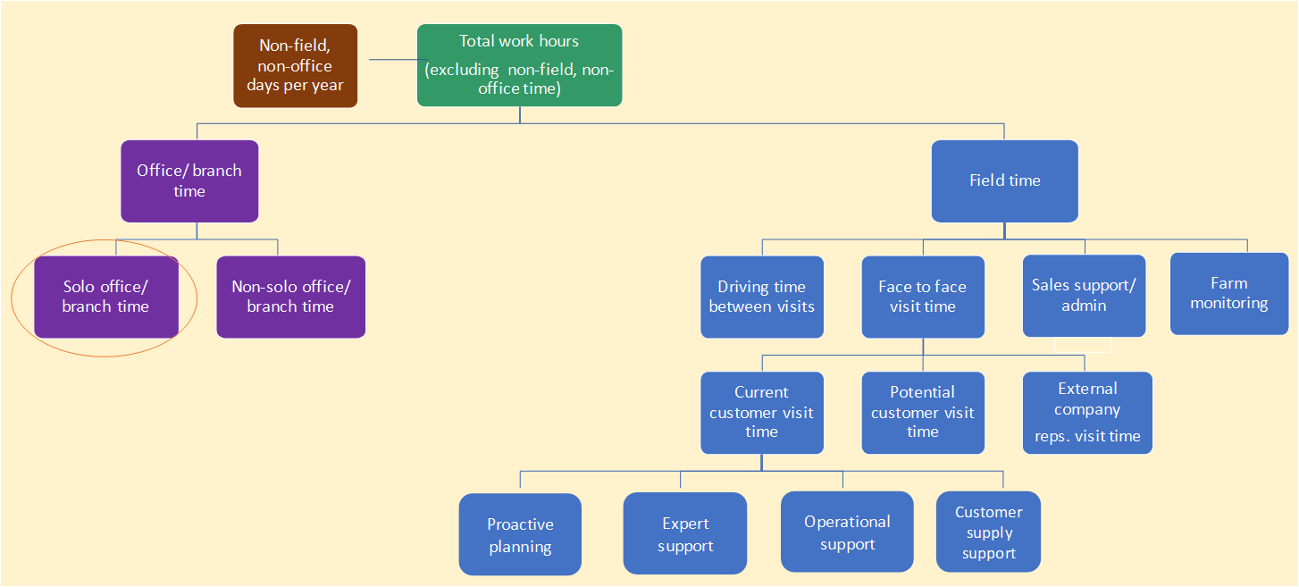
 |  |  |  |  |  |  |  |  |  | Key Activities:
QUESTION 10 |  | Please nominate your 6 key/most common activities you conduct during solo office/ branch time. |  |  |  |  |  | FREE ANSWERS: | 1
 |  |  |  |  |  |  |  | (please be specific) | 2
 |  |  |  |  |  |  |  |  | 3
 |  |  |  |  |  |  |  |  | 4
 |  |  |  |  |  |  |  |  | 5
 |  |  |  |  |  |  |  |  | 6


 |  |  |  |  |  |  |  |  |  | Key Activities:
QUESTION 11 |  | Please nominate your 6 key/ most common activities you conduct during non-solo office/ branch time (ie internal meetings with one or more other people). |  |  |  |  |  | FREE ANSWERS: | 1
 |  |  |  |  |  |  |  | (please be specific) | 2
 |  |  |  |  |  |  |  |  | 3
 |  |  |  |  |  |  |  |  | 4
 |  |  |  |  |  |  |  |  | 5
 |  |  |  |  |  |  |  |  | 6

QUESTION 12 |  | Now take your TOTAL FIELD TIME in PEAK time and OFF-PEAK time and split these hours between the following activities:
 |  | 1. Face to face visit time (including the pre-visit and post-visit preparations, assessment & follow ups that take place in the car at the visit site, plus any waiting on site.)
 |  | 2. Driving time (between visits, office/ branch, and any other destinations)
 |  | 3. Sales support/admin time while in field eg. in a cafe between visits, in car pulled over to side of road.
 |  | (eg documentation & record keeping, planning & appointing sales visits, quotations, proposals, following up queries)
 |  | 4. Field monitoring of farms/ crops without face to face contact with the customer (where customer = shareholder/member/non member/trade account - anyone who buys from Farmlands)

 |  | 5. Other activities in field time (please specify)

 |  |  |  |  | 12(a) | PEAK TIME- FIELD TIME | 0 | hours/wk | FACE TO FACE VISIT TIME |  | hours/wk
 |  |  |  |  |  |  |  |  | DRIVING TIME |  | hours/wk
 |  |  |  |  |  |  |  |  | SALES SUPPORT/ ADMIN TIME WHILE IN FIELD |  | hours/wk
 |  |  |  |  |  |  |  |  | FIELD MONITORING OF FARMS/ CROPS WITHOUT FACE TO FACE CONTACT WITH CUSTOMER |  | hours/wk
 |  |  |  |  |  |  |  |  | OTHER ACTIVITIES |  | hours/wk
 |  |  |  |  |  |  |  |  | (please specify) | (please specify)
 |  |  |  |  | Please check: | 0 | hours/wk | equals | TOTAL | 0 | hours/wk

 |  |  |  |  | 12(b) | OFF-PEAK TIME- FIELD TIME | 0 | hours/wk | FACE TO FACE VISIT TIME |  | hours/wk
 |  |  |  |  |  |  |  |  | DRIVING TIME |  | hours/wk
 |  |  |  |  |  |  |  |  | SALES SUPPORT/ ADMIN TIME WHILE IN FIELD |  | hours/wk
 |  |  |  |  |  |  |  |  | FIELD MONITORING OF FARMS/ CROPS WITHOUT FACE TO FACE CONTACT WITH CUSTOMER |  | hours/wk
 |  |  |  |  |  |  |  |  | OTHER ACTIVITIES |  | hours/wk
 |  |  |  |  |  |  |  |  | (please specify) | (please specify)
 |  |  |  |  | Please check: | 0 | hours/wk | equals | TOTAL | 0 | hours/wk

QUESTION 13 |  | Your face to face visit time can be divided into visits to:
 |  | 1. current customers (where customer = shareholders/members/non members/trade accounts - anyone who buys from Farmlands)
 |  | 2. potential customers
 |  | 3. external company representatives (including suppliers)

 |  | Think about the number of visits you do in an normal week during peak time and off-peak time. Enter the number of visits you make to each category in a normal week in peak time and then in off-peak time. |  |  | 13(a) | PEAK TIME- FACE TO FACE VISITS | 0 | hours per week | CURRENT CUSTOMERS |  | visits per week
 |  |  |  |  |  |  |  |  | POTENTIAL CUSTOMERS |  | visits per week
 |  |  |  |  |  |  |  |  | EXTERNAL COMPANY REPRESENTATIVES |  | visits per week

 |  |  |  |  |  |  |  |  | TOTAL | 0 | visits per week

 |  |  |  |  | 13(b) | OFF PEAK TIME- FACE TO FACE VISITS | 0 | hours per week | CURRENT CUSTOMERS |  | visits per week
 |  |  |  |  |  |  |  |  | POTENTIAL CUSTOMERS |  | visits per week
 |  |  |  |  |  |  |  |  | EXTERNAL COMPANY REPRESENTATIVES |  | visits per week

 |  |  |  |  |  |  |  |  | TOTAL | 0 | visits per week

 |  | Some of these categories will require longer visits than others.
 |  | To capture this, please also enter the average duration of visits to these categories in peak time and then in off-peak time
 |  | (Include the time from when you park the car at the location to complete your pre-visit preparations until the time you drive away after completing any post-visit assessment or follow ups) |  |  | 13(C) | PEAK TIME- DURATION OF VISITS |  | Number of visits per week |  | Average duration of visit
 |  |  |  |  |  |  |  | 0 | CURRENT CUSTOMERS |  | minutes per visit
 |  |  |  |  |  |  |  | 0 | POTENTIAL CUSTOMERS |  | minutes per visit
 |  |  |  |  |  |  |  | 0 | EXTERNAL COMPANY REPRESENTATIVES |  | minutes per visit

 |  |  |  |  | 13(d) | OFF PEAK TIME- DURATION OF VISITS |  | Number of visits per week |  | Average duration of visit
 |  |  |  |  |  |  |  | 0 | CURRENT CUSTOMERS |  | minutes per visit
 |  |  |  |  |  |  |  | 0 | POTENTIAL CUSTOMERS |  | minutes per visit
 |  |  |  |  |  |  |  | 0 | EXTERNAL COMPANY REPRESENTATIVES |  | minutes per visit

QUESTION 14 |  | Think about the face to face visits to current customers you make each week in peak and off-peak time
 |  | (where customers = shareholders/members/non members/trade accounts - anyone who buys from Farmlands).
 |  | You have said that you make the following number of visits to current customers per week: |  | PEAK | 0 | visits per week
 |  |  |  | OFF-PEAK | 0 | visits per week
 |  | The primary/ main purpose of these visits could be:
 |  | 1. Proactive planning = Initiated by you to develop your business/relationship, eg advisory/planning/forecasting/ selling-in of products needed in the planning cycle coming up and other mutual opportunities
 |  | 2. Expert support = You are helping a customer with highly technical/expertise based support such as crop walks, applying chemicals, script and technical recommendations.
 |  | 3. Operational support = You are helping a customer with operational/ general support such as order taking, troubleshooting, general on-farm assistance.
 |  | 4. Customer supply support = You are helping a customer by delivering product to farm.
 |  | 5. Other primary purposes (please specify)
 |  | * There will be cases when you have multiple purposes for visiting a customer, however please select the primary or main purpose for the visit.


 |  |  |  |  | 14(a) | PEAK TIME- MAIN PURPOSE OF VISITS TO CURRENT CUSTOMERS:
 |  |  |  |  |  |  |  |  | PROACTIVE PLANNING |  | visits per week
 |  |  |  |  |  |  |  |  | EXPERT SUPPORT |  | visits per week
 |  |  |  |  |  |  |  |  | OPERATIONAL SUPPORT |  | visits per week
 |  |  |  |  |  |  |  |  | CUSTOMER SUPPLY SUPPORT |  | visits per week
 |  |  |  |  |  | Please specify other primary purposes: | please specify |  | OTHER PRIMARY PURPOSE |  | visits per week
 |  |  |  |  |  | Please check: | 0 | equals | TOTAL | 0 | visits per week

 |  |  |  |  | Please check: You indicated you make |  |  | 0 | visits per week to current customers (PEAK)
 |  |  |  |  | taking approximately |  |  | 0 | mins/ visit,equalling | 0 | hrs per week
 |  |  |  |  | This equates to |  |  | #DIV/0! | % of face to face time | 0 | hrs per week
 |  |  |  |  | Before proceeding check that these figures make sense, otherwise revise your answers.

 |  |  |  |  | 14(b) | OFF PEAK TIME- MAIN PURPOSE OF VISITS TO CURRENT CUSTOMERS:
 |  |  |  |  |  |  |  |  | PROACTIVE PLANNING |  | visits per week
 |  |  |  |  |  |  |  |  | EXPERT SUPPORT |  | visits per week
 |  |  |  |  |  |  |  |  | OPERATIONAL SUPPORT |  | visits per week
 |  |  |  |  |  |  |  |  | CUSTOMER SUPPLY SUPPORT |  | visits per week
 |  |  |  |  |  | Please specify other primary purposes: | please specify |  | OTHER PRIMARY PURPOSE |  | visits per week
 |  |  |  |  |  | Please check: | 0 | equals | TOTAL | 0 | visits per week

 |  |  |  |  | Please check: You indicated you make |  |  | 0 | visits per week to current customers (OFF PEAK)
 |  |  |  |  | taking approximately |  |  | 0 | mins/ visit,equalling | 0 | hrs per week
 |  |  |  |  | This equates to |  |  | #DIV/0! | % of face to face time | 0 | hrs per week
 |  |  |  |  | Before proceeding check that these figures make sense, otherwise revise your answers.

 |  | Some of these purposes will require longer visits than others.
 |  | To capture this, please enter the average duration you spend on visits with each of these primary purposes in peak and off-peak time.
 |  | * Include the time from when you park the car at the location to complete your pre-visit preparations until the time you drive away after completing any post-visit assessment or follow ups.

 |  |  |  |  | 14(C) | PEAK TIME- DURATION OF VISITS TO CURRENT CUSTOMERS: |  | stated visits per week
 |  |  |  |  |  |  |  | 0 | PROACTIVE PLANNING |  | minutes per visit
 |  |  |  |  |  |  |  | 0 | EXPERT SUPPORT |  | minutes per visit
 |  |  |  |  |  |  |  | 0 | OPERATIONAL SUPPORT |  | minutes per visit
 |  |  |  |  |  |  |  | 0 | CUSTOMER SUPPLY SUPPORT |  | minutes per visit
 |  |  |  |  |  |  |  | 0 | OTHER PRIMARY PURPOSE |  | minutes per visit

 |  |  |  |  | 14(d) | OFF PEAK TIME- DURATION OF VISITS TO CURRENT CUSTOMERS: |  | stated visits per week
 |  |  |  |  |  |  |  | 0 | PROACTIVE PLANNING |  | minutes per visit
 |  |  |  |  |  |  |  | 0 | EXPERT SUPPORT |  | minutes per visit
 |  |  |  |  |  |  |  | 0 | OPERATIONAL SUPPORT |  | minutes per visit
 |  |  |  |  |  |  |  | 0 | CUSTOMER SUPPLY SUPPORT |  | minutes per visit
 |  |  |  |  |  |  |  | 0 | OTHER PRIMARY PURPOSE |  | minutes per visit

QUESTION 15 |  | Please nominate 6 key/most common activities you conduct during sales support/ admin time while in the field (eg. in a café or stationary in the car between visits) |  |  |  |  |  | FREE ANSWERS: | 1
 |  | * Do not include the pre-visit preps and post-visit follow ups that occur immediately before or after face to face visits. |  |  |  |  |  | (please be specific) | 2
 |  | (eg. CRM entry, planning & appointing sales visits, quotations, proposals, following up queries, etc.) These can be in any order . |  |  |  |  |  |  | 3
 |  |  |  |  |  |  |  |  | 4
 |  |  |  |  |  |  |  |  | 5
 |  |  |  |  |  |  |  |  | 6

 |  |  | 
You have reached the end of the survey. Thank you for your time. Please save your completed survey. Double check your responses and then email to jennyb@nextlevelenterprises.biz by Friday 21st Feb 2020

